Bug Reports
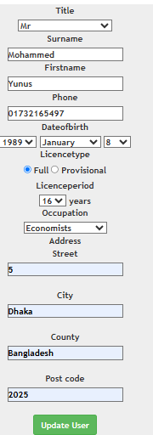
 | Bug Reports

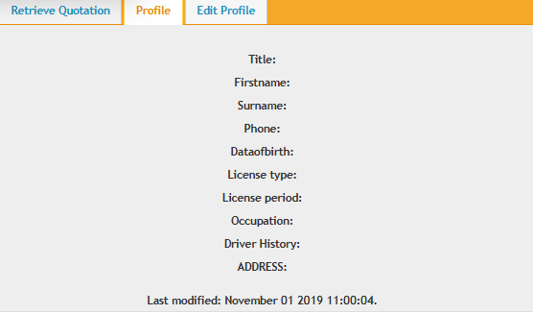
Bug Report 1: Profile Section Not Displaying User Details

Bug ID | IBS-BUG-001
Test Case ID | Profile_1
Module | Profile Section
Priority | High
Environment | Web Application (Tested on Chrome)
Description | The "Profile" section does not display any user details after logging in. Users are unable to view their saved information.
Steps to perform Test Case | 1. Log in with valid credentials. 2. Navigate to the Profile section. 3. Observe that no user details are displayed.
Expected Result | The Profile section should display user details such as name, phone, DOB, License type, License period, Occupation, Driver History, address
Actual Result | profile'' section is non-functional, and no user details are shown
Attachments | Attached
Status | need to fix

Bug Report 2: Edit Profile Not Updating User Information

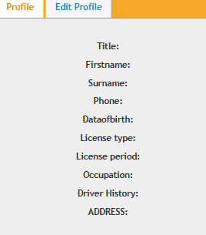
Bug ID | IBS-BUG-002
Test Case ID | EditProfile_01
Module | Edit Profile
Priority | High
Environment | Web Application (Tested on Chrome)
Description | The "Edit Profile" section does not update user details after clicking "Update User." The phone number field also allows invalid input. | After Clicking '"Update User'' =
Steps to perform Test Case | 1. Log in with valid credentials. 2. Navigate to the Edit Profile section. 3. Enter new details. 4. Click on Update User. 5. Refresh the page and check if the details are saved.
Expected Result | The system should save the updated profile details and show a success message.
Actual Result | The profile remains unchanged, and no success message appears. The fields allow invalid digits and special characters.
Attachments | N/A
Status | need to fix

Bug Report 3: Request Quotation Accepting Invalid Data

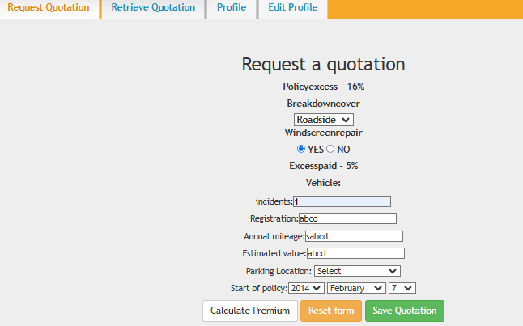
Bug ID | IBS-BUG-003
Test Case ID | RQ_2
Module | Request Quotation
Priority | High
Environment | Web Application (Tested on Chrome)
Description | The "Request Quotation" form accepts incorrect or incomplete data without showing validation messages and still generates an ID number.
Steps to perform Test Case | 1. Log in and navigate to the Request Quotation page. 2. Enter incorrect or missing values in the required fields. 3. Click on Save Quotation. 4. Observe that the system still generates a quotation ID.
Expected Result | The system should validate input fields and show error messages for missing or incorrect data. It should not generate a quotation ID if the data is invalid.
Actual Result | The system accepts invalid data and assigns an ID
Attachments | screenshots attached
Status | need to fix

